Sheet1
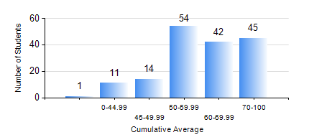
 |  |  | KWAME NKRUMAH UNIVERSITY OF SCIENCE AND TECHNOLOGY, KUMASI Department of Mechanical Engineering

 |  |  | BSC. MECHANICAL ENG.

 |  |  | COMPREHENSIVE RECORD OF EXAMINATION RESULTS

 |  |  | RESULTS OF YEAR 2 FIRST SEMESTER, 2023/2024 ACADEMIC YEAR

 | Sn | Course Code |  | Course Name | Credit Hours | Min. Mark | Max. Mark | Avg. Mark | Std. Dev. | No. Passed | No. Trailed | No. (Df) | No. (I) | No. (I*) | No. Tagged(I,I*,Df) | Total
 | 0. |  |  |  |  |  |  | 0 | 0 | 0 | 0 | 0 | 0 | 0 | 0 | 13
 | 1. | CENG 291 |  | ENGINEERING IN SOCIETY | 2 | 21 | 88 | 59 | 11.13 | 151 | 3 | 0 | 0 | 0 | 0 | 154
 | 2. | MATH 251 |  | DIFFERENTIAL EQUATIONS | 4 | 21 | 87 | 48 | 19.99 | 107 | 47 | 0 | 0 | 0 | 0 | 154
 | 3. | ME 251 |  | INTRODUCTION TO FLUID MECHANICS | 2 | 19 | 93 | 52 | 10.86 | 151 | 3 | 0 | 0 | 0 | 0 | 154
 | 4. | ME 255 |  | STRENGTH OF MATERIALS I | 3 | 17 | 87 | 58 | 14.25 | 148 | 6 | 0 | 0 | 0 | 0 | 154
 | 5. | ME 259 |  | APPLICATIONS OF COMPUTER GRAPHICS | 3 | 14 | 99 | 69 | 20.27 | 146 | 8 | 0 | 0 | 0 | 0 | 154
 | 6. | ME 261 |  | ENGINEERING MECHANICS II: DYNAMICS | 2 | 21 | 94 | 56 | 14.84 | 145 | 9 | 0 | 0 | 0 | 0 | 154
 | 7. | ME 281 |  | ENGINEERING MATERIALS I | 2 | 18 | 98 | 73 | 19.08 | 150 | 4 | 0 | 0 | 0 | 0 | 154
 | 8. | ME 295 |  | MECHANICAL ENGINEERING LAB. I | 1 | 26 | 94 | 72 | 13.73 | 153 | 1 | 0 | 0 | 0 | 0 | 154

